Introduction
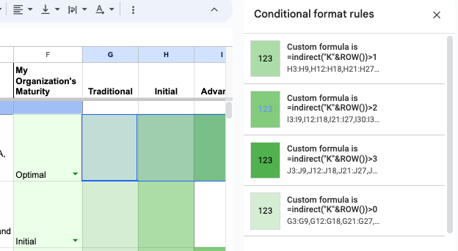
About
 | This workbook is provided by Numberline Security free of charge, for open and unlimited usage without restriction or copyright, although attribution is requested.
 | For more information and context, see Numberline Security's Zero Trust Maturity Model resource center here: https://numberlinesecurity.com/ztmm

 | This file contains and builds on information originally published by the United States Cybersecurity and Infrastructure Security Agency (CISA), specifically the CISA Zero Trust Maturity Model, version 2, April 2023
 | For more information see the CISA Zero Trust website here: https://www.cisa.gov/zero-trust-maturity-model

 | Workbook version 1.0.0, May 1, 2023
 | This document will be periodically updated. Check here for newer versions

How to Use this Workbook
 | This interactive spreadsheet is intended to provide enterprises and government entities with a simple and clear way to apply the CISA Zero Trust Maturity Model to their organization. This document is a straightforward mapping of the CISA content into a templatized format, to make it easier to put into practice.
 | This document contains the CISA maturity model pillars, phases, and functions unchanged from the v2 publication (April 2023)

 | This file contains 4 worksheets:

 | Introduction: This worksheet contains instructions and background information

 | CISA Zero Trust Maturity Model: This worksheet contains the CISA Zero Trust Maturity Model in a tabular, plain text format
 | This worksheet is intended for you to copy, edit, and modify as needed

 | interactive: This worksheet is designed to let you to easily self-assess your organization's maturity level, for each of the functions within the pillars. For each row, select one of the following maturity levels using the dropdown menu in Column F: Unknown Traditional Initial Advanced Optimal The shading in columns G-J will automatically adjust, as will the results on the Maturity Model Assessment worksheet. Note: Modifying or editing this worksheet may break the conditional formatting rules

 | Maturity Model Assessment: This worksheet contains the results of the self-assessment on the interactive worksheet, formatted for simple viewing and sharing

Questions, Feedback, or Comments
 | Contact us via email at info@NumberlineSecurity.com. We'd love to see how you're using this document, and hear suggestions for changes and improvements.

Implementation Details
 | The automatic shading on the interactive and Maturity Model Assessment worksheets use the Conditional Formatting feature, with a custom formula.
 | The formulas are different for each of the four maturity level columns, but all follow the same format.
 | The maturity level dropdown in column F is used to calculate a numeric score as follows: Unknown=0, Traditional=1, Initial=2, Advanced=3, and Optimal=4. This value is stored in hidden column K, calculated via a simple IFS function.
 | The Conditional Formatting formulas look at the value in hidden Column K on the interactive sheet, for a given row, and returns true if it's selected at a maurity level equal to or higher than the column's level
 | It uses the INDIRECT function in order to programatically obtain the ROW value for each row, and simply checks if the selected maturity score is equal to or higher than its column level
 | For example: =indirect("K"&ROW())>1 is used for the Initial column (which has a score of 2)
 | On the Maturity Model Assessment worksheet, the formulas need to reference the selected values on the interactive worksheet. The logic is identical, but the formulas look like the following:
 | =indirect("interactive!K"&ROW())>1
 | Note that the functions reference Column K, and the worksheet name "interactve". Also note that the row numbers must match for each label, in order for the shading to match. For example, "Authentication" must be on the same row in both the interactive and Maturity Model Assessment worksheets. Changing worksheet names, or adding rows/columns may break these references, so make edits with caution, or be aware that these formulas may require updating
 | There are 8 Conditional Format rules defined, 4 for each worksheet. Each is defined to apply to the appropriate range of rows in each column:

